Results scheduler
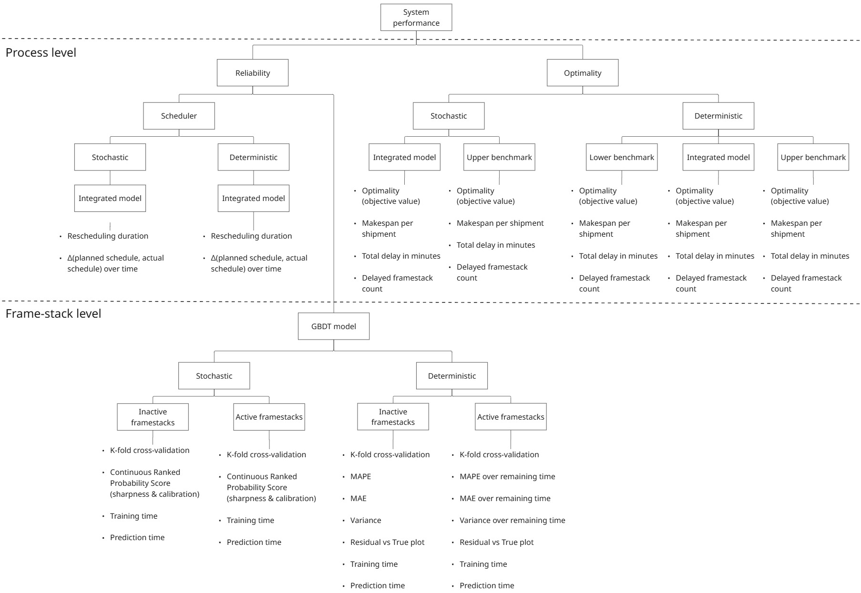
17-06-2025: OPTIMALITY - DETERMINISTIC - DEC 5
Metric | Lower bound benchmark | Thesis model implemented | Upper bound benchmark
Objective | -0.4825 | 0.7386 | 3.782
Avg. makespan per shipment (min) | 138.62 | 137.23 | 149.77
Total delay (min) | 890 | 851 | 1332
Delayed frame-stack count | 30 | 29 | 35

17-06-2025: OPTIMALITY - DETERMINISTIC - JAN 24 |  |  |  |  | 25-06-2025: RELIABILITY GBDT model |  |  |  |  |  |  |  | 25-06-2025: RELIABILITY GBDT model - k-fold cross validation
Simulation type | Objective | Avg. makespan per shipment (min) | Total delay (min) | Delayed frame-stack count | Model type | RMSE (min) | MAE (min) | MAPE (%) | Residual variance (min^2) | CRPS (min) | Training time (sec) | Prediction time (sec) | Model type | RMSE (min) | MAE (min) | MAPE (%) | CRPS (min)
Deterministic model implemented |  |  |  |  | Deterministic model |  |  |  |  |  |  |  | Deterministic model
Lower bound benchmark | -3,959 | 207.6 | 1525 | 62 | GBDT model (active frame-stacks) | 34.97 | 26.52 | 58.19 | 1222.62 | - | 14.03 | 0.1047 | GBDT model (active frame-stacks) | 33.74 ± 0.11 | 24.91 ± 0.06 | 54.31 ± 0.27 | -
Model implemented | -0.8555 | 197.2 | 1029 | 49 | GBDT model (inactive frame-stacks) | 46.81 | 35.71 | 18.25 | 2191.55 | - | 0.88 | 0.1039 | GBDT model (inactive frame-stacks) | 53.21 ± 0.59 | 39.87 ± 0.18 | 20.24 ± 0.10 | -
Upper bound benchmark | 12.52 | 202.5 | 320 | 15 | Mean baseline (inactive frame-stacks) | 49.38 | 38.65 | 19.87 | 2438.27 | - | - | -
 |  |  |  |  |  |  |  |  |  |  |  |  | Stochastic model
Stochastic model implemented |  |  |  |  | Stochastic model |  |  |  |  |  |  |  | GBDT model (active frame-stacks) | 37.45±0.07 | 27.94±0.09 | 59.53±0.26 | 39.96±0.043
Lower bound benchmark | -3,959 | 207.6 | 1525 | 62 | GBDT model (active frame-stacks) | 34.67 | 26.74 | 59.58 | 1197.35 | 39.76 | 3911.46 | 0.0350 | GBDT model (inactive frame-stacks) | 54.84±0.41 | 40.68±0.34 | 20.67±0.15 | 57.97±0.10
Model implemented |  |  |  |  | GBDT model (inactive frame-stacks) | 46.45 | 35.14 | 17.92 | 2157.73 | 54.76 | 41.26 | 0.0307
Upper bound benchmark |  |  |  |  | Mean baseline (inactive frame-stacks) | 49.38 | 38.65 | 19.87 | 2438.27 | 69.25 | - | -

